spo 25.10 to 03.11
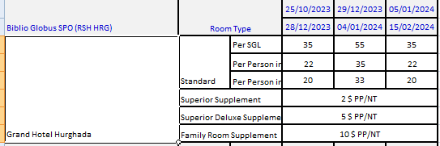
first date | second date | SGL-STD | SGL-SUP | SGL-DLX | d | DBL-STD | DBL-SUP | DBL-DLX | DBL-FAM | t | TPL-SUP | td | TFAM | SSUP+CH
2023-10-25 | 2023-12-28 | 35 | 37 | 40 | 22 | 44 | 48 | 54 | 64 | 20 | 66 | 75 | 90
2023-12-29 | 2024-01-04 | 55 | 57 | 60 | 35 | 70 | 74 | 80 | 90 | 33 | 105 | 114 | 129
2024-01-05 | 2024-02-15 | 35 | 37 | 40 | 22 | 44 | 48 | 54 | 64 | 20 | 66 | 75 | 90

spo 04.11 to 20.11
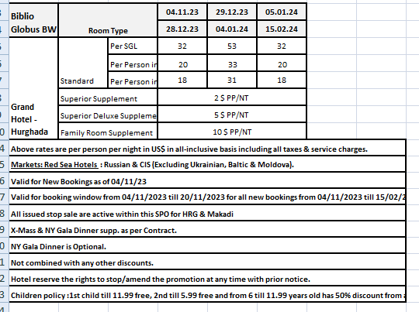
first date | second date | SGL-STD | SGL-SUP | SGL-DLX | d | DBL-STD | DBL-SUP | DBL-DLX | DBL-FAM | t | TPL-SUP | td | TFAM
2023-11-04 | 2023-12-28 | 32 | 34 | 37 | 20 | 40 | 44 | 50 | 60 | 18 | 60 | 69 | 84
2023-12-29 | 2024-01-04 | 53 | 55 | 58 | 33 | 66 | 70 | 76 | 86 | 31 | 99 | 108 | 123
2024-01-05 | 2024-02-15 | 32 | 34 | 37 | 20 | 40 | 44 | 50 | 60 | 18 | 60 | 69 | 84

spo 21.12 to 14.01
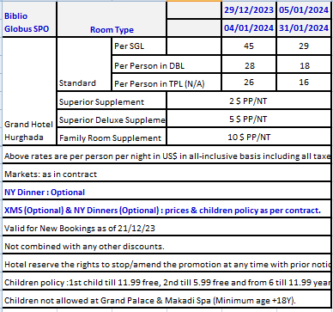
first date | second date | SGL-STD | SGL-SUP | SGL-DLX | d | DBL-STD | DBL-SUP | DBL-DLX | DBL-FAM | t | TPL-SUP | td | TFAM | SSUP+CH
2024-12-21 | 2023-12-28 | 35 | 37 | 40 | 22 | 44 | 48 | 54 | 64 | 20 | 66 | 75 | 90
2023-12-29 | 2024-01-04 | 45 | 47 | 50 | 28 | 56 | 60 | 66 | 76 | 26 | 84 | 93 | 108
2024-01-05 | 2024-01-31 | 29 | 31 | 34 | 18 | 36 | 40 | 46 | 56 | 16 | 54 | 63 | 78
2024-02-01 | 2024-02-15 | 35 | 37 | 40 | 22 | 44 | 48 | 54 | 64 | 20 | 66 | 75 | 90
2024-02-16 | 2024-04-30 | 82 | 84 | 87 | 51 | 102 | 106 | 112 | 122 | 49 | 153 | 162 | 177

spo 15.01 to 02.02
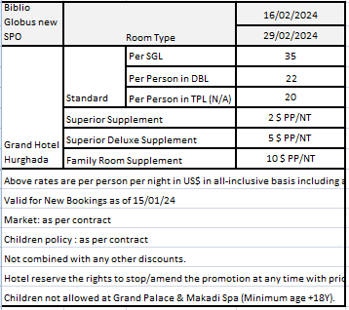
first date | second date | SGL-STD | SGL-SUP | SGL-DLX | d | DBL-STD | DBL-SUP | DBL-DLX | DBL-FAM | t | TPL-SUP | td | TFAM | SSUP+CH
2024-12-21 | 2023-12-28 | 35 | 37 | 40 | 22 | 44 | 48 | 54 | 64 | 20 | 66 | 75 | 90
2023-12-29 | 2024-01-04 | 45 | 47 | 50 | 28 | 56 | 60 | 66 | 76 | 26 | 84 | 93 | 108
2024-01-15 | 2024-01-31 | 29 | 31 | 34 | 18 | 36 | 40 | 46 | 56 | 16 | 54 | 63 | 78
2024-02-01 | 2024-02-29 | 35 | 37 | 40 | 22 | 44 | 48 | 54 | 64 | 20 | 66 | 75 | 90

spo 03.02 to 17.02
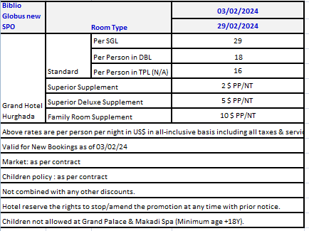
first date | second date | SGL-STD | SGL-SUP | SGL-DLX | d | DBL-STD | DBL-SUP | DBL-DLX | DBL-FAM | t | TPL-SUP | td | TFAM | SSUP+CH
2024-02-03 | 2024-02-29 | 29 | 31 | 34 | 18 | 36 | 40 | 46 | 56 | 16 | 54 | 63 | 78

spo 18.02 to 15.05
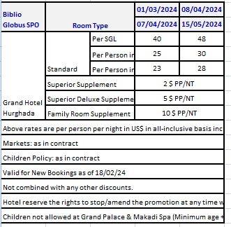
first date | second date | SGL-STD | SGL-SUP | SGL-DLX | d | DBL-STD | DBL-SUP | DBL-DLX | DBL-FAM | t | TPL-SUP | td | TFAM | SSUP+CH
2024-02-18 | 2024-02-29 | 29 | 31 | 34 | 18 | 36 | 40 | 46 | 56 | 16 | 54 | 63 | 78
2024-03-01 | 2024-04-07 | 40 | 42 | 45 | 25 | 50 | 54 | 60 | 70 | 23 | 75 | 84 | 99
2024-04-08 | 2024-05-15 | 48 | 50 | 53 | 30 | 60 | 64 | 70 | 80 | 28 | 90 | 99 | 114

